Sheet1
 |  | Document No. | Issue No. | Issue Date |  | Review and Replace Date |  | Authorised By
 |  | GFF095MC | 2 | 04.04.2019 |  | 24.09.2019
 |  | Document Title | Saag Aloo Gobi 1250g - Deli Counter
 |  |  | Page 1 of 1 |  | Clause |  | 6.1 | Magda Shah
Document amendments reason for change |  | Packaging and weight changed on customer request |  |  | Previous Issue Date |  | 04.04.2019 | Uncontrolled copy unless signed original

CVALG-R1BEB | BOOTHS - DELI |  | SAAG ALOO GOBI 1250g
STEP 1 |  |  |  |  | STEP 2
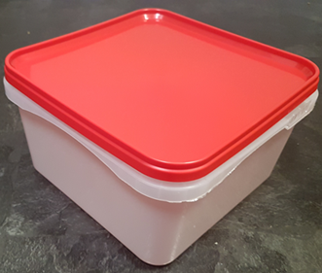 |  |  |  |  | 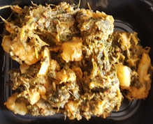

Use by applied from Date of Cooking

Tray/Lid: SALAD TUB RED LID NATURAL 2.4/4 LTR (PKSHA002-02) |  |  |  |  | Saag Aloo Gobi (GFF130R) 1250g

ALLERGY ALERT: MILK, MUSTARD

